Module Pool
SCREEN1

 |  |  | Table Control to Display Data only Z<XXX>_MARA Fields from Excel File 1
 | MATNR | ERSDA | ERNAM | MTART | MATKL | BRGEW | GEWEI |  | Field Descriptions from Corresponding DataElements as Column Heading but not Field Names
 | 100-100 | 26.03.2021 | BPINST | ROH | 0001 | 100 | KG
 | 100-101 | 26.04.2021 | BPINST | ROH | 0002 | 101 | KG
 | 100-102 | 27.04.2021 | BPINST | HALB | 0001 | 102 | KG
 | 100-104 | 26.03.2021 | BPINST | ROH | 0001 | 104 | KG
 | 100-105 | 26.04.2021 | BPINST | ROH | 0002 | 105 | KG
 | 100-106 | 27.04.2021 | BPINST | HALB | 0001 | 106 | KG

 |  |  | UPDATE | Button | BACK | Button

SCREEN2
 |  | Table Control to Display Data only Z<XXX>_MARC Fields from Excel File
 | MATNR | WERKS | MMSTA | MMSTD | DISMM | DISPO |  | Field Descriptions from Corresponding Data Elements as Column Heading but not Field Names
 | 100-100 | 1000 | 01 | 26.03.2021 | PD | 001
 | 100-101 | 1000 | 02 | 26.04.2021 | VB | 002
 | 100-102 | 1000 | 03 | 26.04.2021 | VB | 002
 | 100-104 | 2000 | 01 | 26.03.2021 | PD | 001
 | 100-105 | 2000 | 02 | 26.04.2021 | VB | 002
 | 100-106 | 2000 | 03 | 27.04.2021 | VB | 002

 |  | UPDATE | Button | BACK | Button

 |  |  |  |  |  |  | After Submitting Data

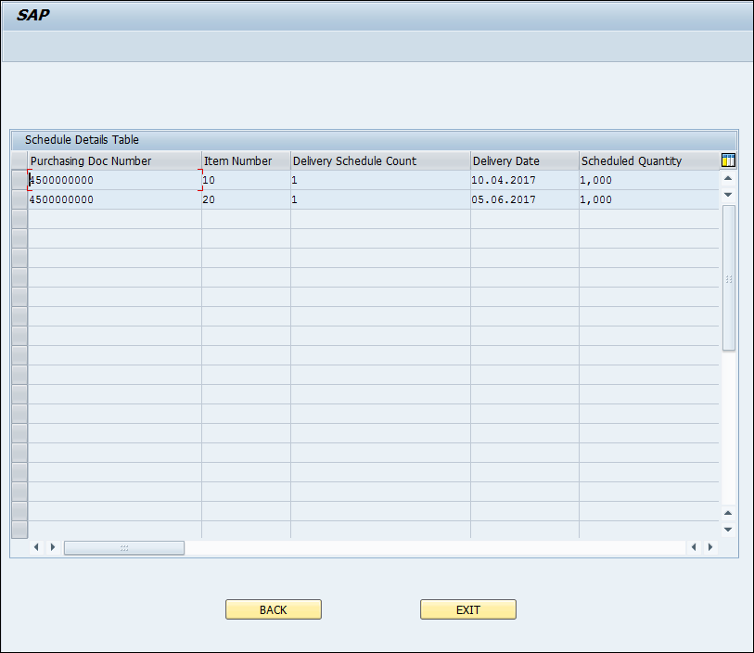

 |  |  |  |  | Next Screen

